Assessment
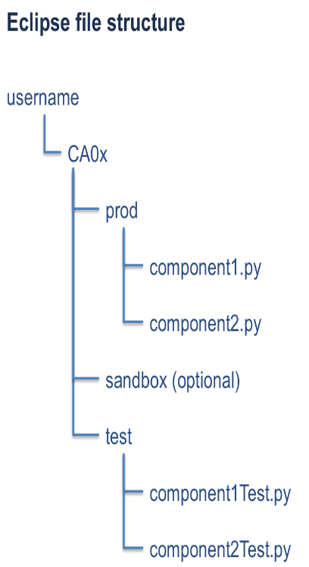
Assessment Worksheet

Name: |  | Albert Wallace
AU user name: |  | aew0024

Instructor Assessment

Grade:
Score: |  | out of | 100

Grading criteria:
 | AA | 100 | Exceptional job worthy of being used as an example of superior work
 | A | 95 | Process followed and product meets requirements, insiginificant problems may be present in either
 | AB | 90 | Process has minor exceptions and product meets requirements
 | B | 85 | Process has at most minor exceptions and product encounters minor problems with user acceptance tests
 | BC | 80 | Process has at most minor exceptions and product encounters moderate problems with user acceptance tests
 | C | 75 | Process has significant exceptions and product runs with no or minor problems with user acceptance tests
 | CD | 70 | Process has significant exceptions and product runs with moderate problems with user acceptance tests
 | D | 65 | Process has major exceptions or product will not run user acceptance tests
 | F | 50 | Deliverables show lack of comprehension of concepts or are incomplete

Quality checks
General
 | Are all regions highlighted in yellow appropriately complete?
 | Does the workbook reflect a faithful record of information?
 | Has this assignment been uploaded as specified by the assignment description?
Project Plan Summary
 | Was the planned information determined before development and not altered after development?
 | Were initial "expected results" determined before coding began?
 | Is the actual line count calculated according to the counting standard?
Time Recording Log
 | Does the log reflect a faithful record of time spent?
 | Do no times span midnight?
 | Does the log reflect the mandatory activities?
 | Is post mortem the final phase?
 | Does the time recording log reflect the your lifecycle?
Change Log
 | Is each change accompanied by a description in the "comment" field?
 | Are changes recorded against the appropriate phase in which they were injected and removed?
 | Does the "removed" count equal the "injected" count? If not, is the rational documented in the "lessons learned" tab?
 | Are the dates and times in the defect log consistent with the dates and times in the time recording log?
Acceptance Report
 | Are the expected results sufficiently detailed for an independent party to test the software?
 | Are the expected results correct?
 | Do actual results support expected results?
 | Do actual results marked as "Passed with issues" include a comment?
Source Code
 | Does the code reflect the coding standard?
 | Will the code compile without change?
 | Does the code contain no unspecified packages?
 | Does the code take into consideration specified error conditions?
 | Does the code fulfill the assignment requirements?
 | Are the production and test code in the "prod" and "test" Eclipse subfolders, respectively

